Web Import
Created By:
Sam Pomerantz
IU Grade Distribution Analyzer 2.0

WEB ENABLED
DO NOT SAVE THIS DURING USE

THIS VERSION GETS THE SHEET FOR YOU

File Import
Created By:
Sam Pomerantz
IU Grade Distribution Analyzer

Read the
Tutorial First

DO NOT SAVE THIS DURING USE

You must manually download the sheet

How To
How to File Import

First, visit the IU Grade Dist. (click here)

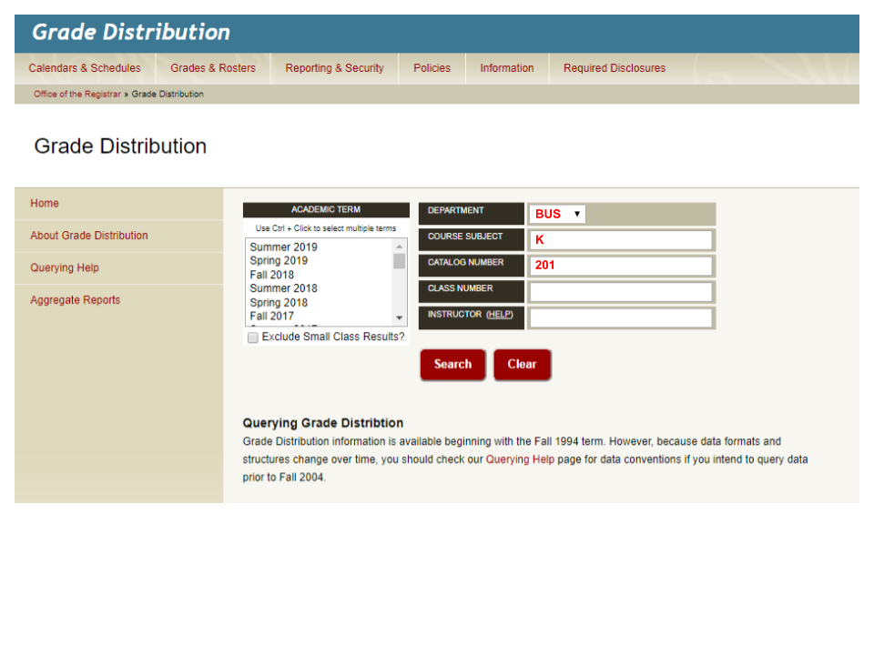

Then download the spreadsheet and import it

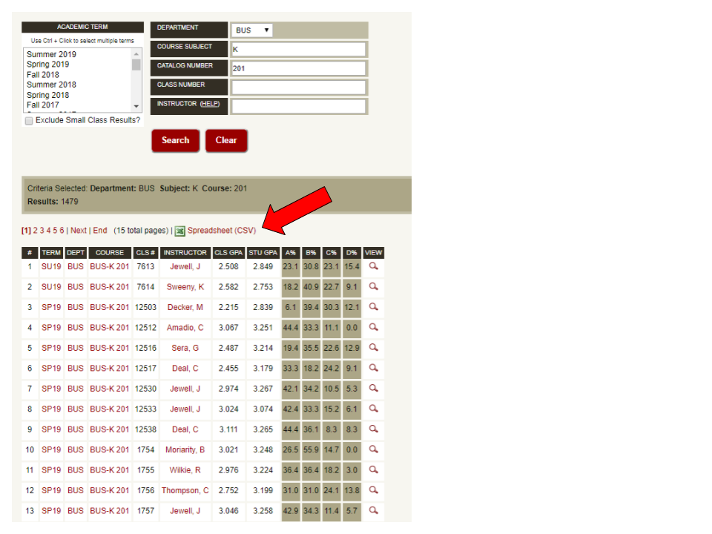

DON'T CHANGE THE DEFAULT FILE NAME
MUST BE: reportID_gradedist.csv

How to Online Import

When looking for BUS-K 201
Click the run button.
Department: 'BUS'
Subject: 'K'
Number: '201'

